HOME
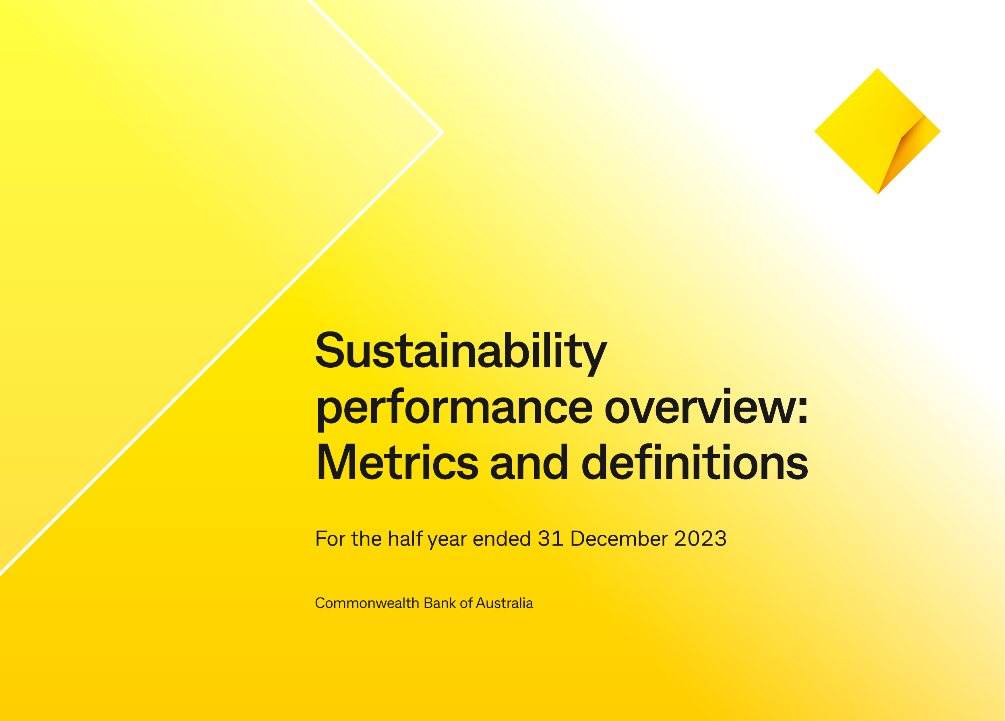

To provide transparency for all our stakeholders, we measure and report on a range of environmental, social and governance metrics. All metrics capture data of the wholly owned and operated entities of the Group, associates and joint ventures unless otherwise stated. PwC has provided limited assurance on our metrics for the year ended 30 June 2023 (pages 40-46 of the 2023 Annual Report) unless otherwise indicated. The PwC Limited Assurance Report is available on pages 47-49 of the 2023 Annual Report. Metrics for the period ended 31 December 2023 have not been assured by PwC.

